Summary
Problem Statement
Questions


A Nigerian Phone Vendor specializing in Iphones wants to improve pricing strategies and inventory decisions across different regions. However, they lack insights into the key factors influencing phone sales, such as model preferences, conditions, storage capacity and regional demand. This vendor seeks data-driven recommendations to optimze profit margins and better target high-demand segments.
the task is to analyse sales data to identify trends, customer preferences and potential areas of business improvement.
1. Which Iphone model generated the highest total revenue?
2. What is the average selling price of Iphones across different region?
3. Which storage capacity is most commonly sold and does it attract higher prices?
4. What condition are most iphones sold in and how doe it affect selling price?
5. Which region has the highest sales volume?
6. Is there a pattern between battery life and the selling condition?
7. What is the most common colour preference among buyers?
8. Do newer models sell significantly more than older ones?

Monetory Insight
Nigerian Iphone Store Analysis

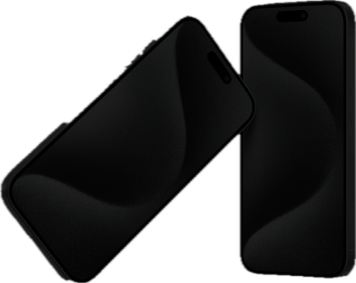
Monetary Insights

Buyers' Performance
₦67.6M

Total Revenue

₦16.8M

Profit Made
 | Total
2019 | ₦622.2K
2020 | ₦578.7K
2021 | ₦699.5K
2022 | ₦724.7K
2023 | ₦816.8K
2024 | ₦613.5K
Manufacture year per price
Revenue per Model
Selling Condition per Price
 | Total
Excellent | ₦688.4K
Fair | ₦630.6K
Good | ₦701.0K
Needs Repair | ₦694.4K
25%
 | Total
iPhone 15 | ₦15.8M
iPhone 14 | ₦11.9M
iPhone 13 | ₦18.8M
iPhone 12 | ₦12.4M
iPhone 11 | ₦8.6M
Percentage Profit

100
pieces

Iphone Sold

Insight and pricing, profit and inventory from a dummy dataset

Buyers' Performance
Monetary Insights
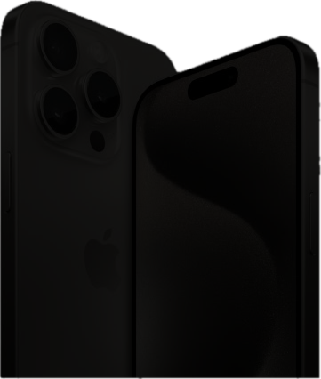
Buyers' Performance

iPhone 11
Abuja

Most Purchase Model
State with Most Sales

Color per Model
Iphone Sold per State
 | Total
Black | 12
Blue | 11
Gold | 16
Purple | 10
Red | 13
Silver | 25
White | 13
Storage Capacity sold
 | Total
Abuja | 23
Benin City | 19
Ibadan | 18
Lagos | 24
Port Harcourt | 16
 | Count of Model | Sum of Price Sold
128GB | 13 | ₦9.9M
1TB | 31 | ₦19.4M
256GB | 20 | ₦13.4M
512GB | 19 | ₦13.4M
64GB | 17 | ₦11.5M

Insight and pricing, profit and inventory from a dummy dataset set

